Ref
First Health

Multiplan

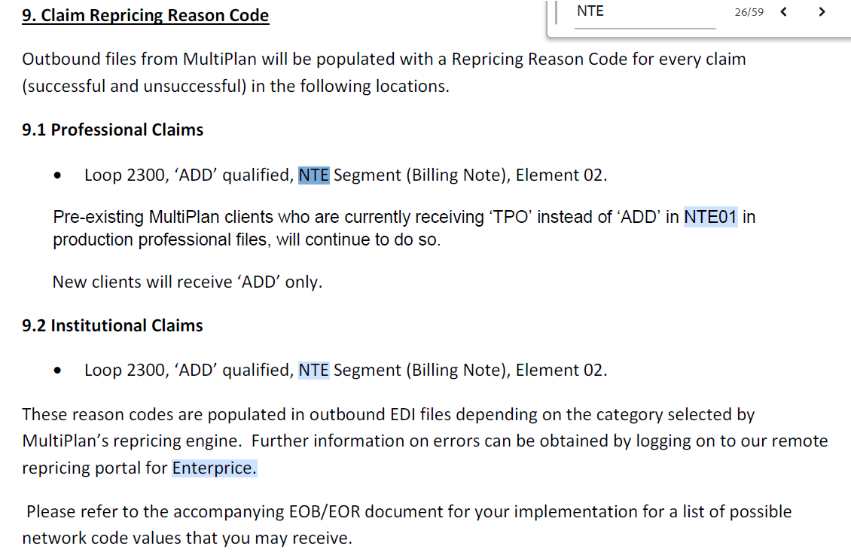

Megellan

HCP04 – Reference Identification
Represents the network for repricers with multiple networks claim (2300 loop) or line (2400 loop). If not applicable, do not use.
Example of a successfully priced line/claim
HCP*10*123.22*55*ABC~

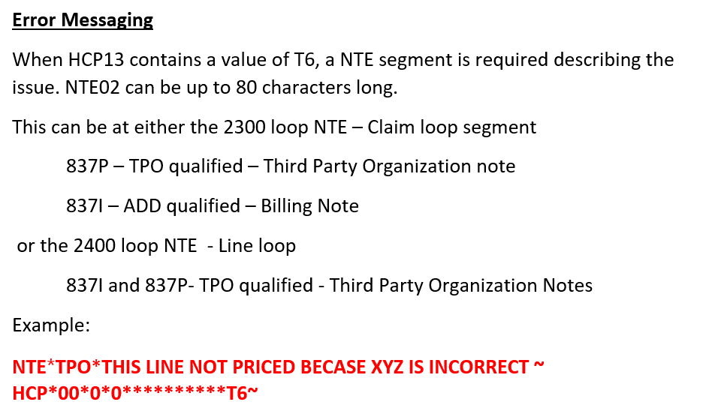

Emblem

Loop ID | Reference | Name | Codes | Length | Comments - 837P | Comments - 837I
2300 | HCP | Claim Pricing/Repricing Information
2300 | HCP01 | Pricing Methodology |  |  | This field will be populated with either ‘00’ (allowance equals $0.00) or ’10’ (allowance greater than $0.00). | This field will always be populated with’10’
2300 | HCP02 | Monetary Amount |  |  | Total Claim Allowance | Total Claim Allowance
2300 | HCP04 | Reference Identification |  | 15 | GHI + The 12 digit Claim Reference ID | GHI + The 12 digit Claim Reference ID + a 5 digit code. If the claim is priced, the 5 digit code will be F0000. If the claim is not priced, status code identifying reason(s) will be set. The reason code may be a 5 bytes code or multiple 5 bytes code concatenated with ‘|’ (pipe symbol). Attached below is a list of the status codes and their description.
2400 | HCP | Line Pricing/Repricing Information
2400 | HCP01 | Pricing Methodology |  |  | This field will be populated with either ’00’ or ‘10’.
2400 | HCP02 | Monetary Amount |  |  | Service Line Allowance
2400 | HCP04 | Reference Identification |  | 19 | When HCP01 = ‘10’, HCP04 will be structured as: GHI + The 12 digit Claim Reference ID + the 2 digit Line Reference Number + ‘10’.
2400 | HCP04 | Reference Identification |  |  | When HCP01 = ‘00’, HCP04 will be structured as: GHI + The 12-digit Claim Reference ID + the 2-digit Line Reference Number + Remark Code. Attached below is a list of the current remark codes and their description.
 |  |  |  |  | Remark code may be 3-byte explanation code or 5 bytes error codes or multiple 5 bytes code concatenated with ‘|’ (pipe symbol).
2400 | HCP09 | Product/Service ID Qualifier | HC
2400 | HCP10 | Product Service ID |  |  | Original CPT/HCPCS code
2400 | HCP11 | Unit or Basis for Measurement Code | UN |  | UN will always be reported even if MJ (anesthesia minutes) was submitted.
2400 | HCP12 | Quantity |  |  | Unit Count
2400 | HCP13 | Reject Reason Code |  |  | This field will be populated with T6 when there is a remark code present in HCP04. Attached below is a list of the remark codes and their description.

 |  |  |  |  | Sample 2400/HCP Segments | Sample 2300/HCP Segment

 |  |  |  |  | HCP*10*7.92**GHI120149622410-10-10*****HC*99441*UN*1~ | HCP*10*6633.9**GHI202012109021-F0000 – Priced
 |  |  |  |  | HCP*00*0**GHI120114615439-50-50120*****HC*3725F*UN*1*T6~ | HCP*10*0**GHI202014009276-F0001 – Priced at $0 per the contract
 |  |  |  |  |  | HCP*10*0**GHI202014009276-51950 – Problem with the claim, and claim could not be priced- Claim submission issue

